Question 1
Question:1 | Use Copilot to identify and summarize missing values in the dataset
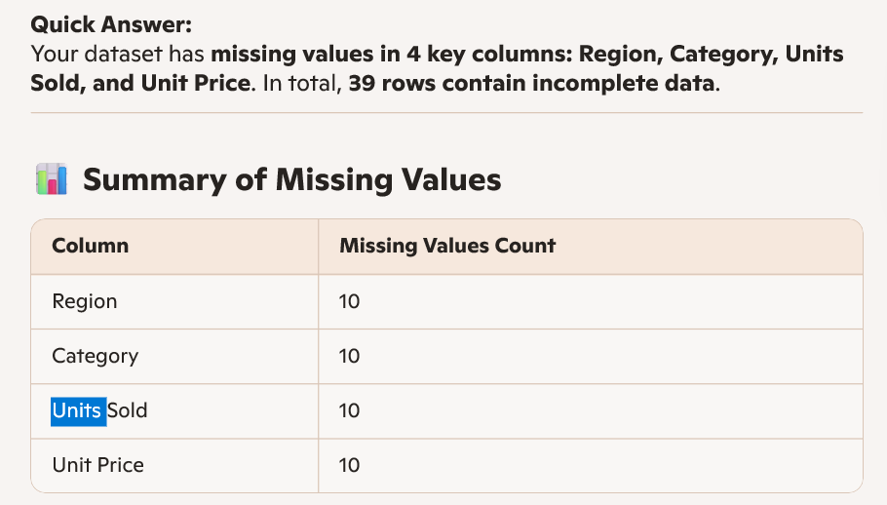

 | Summary of Missing Values | Column | Missing Values Count
 |  | Region | 10
 |  | Category | 10
 |  | Units Sold | 10
 |  | Units Price | 10

Question 2
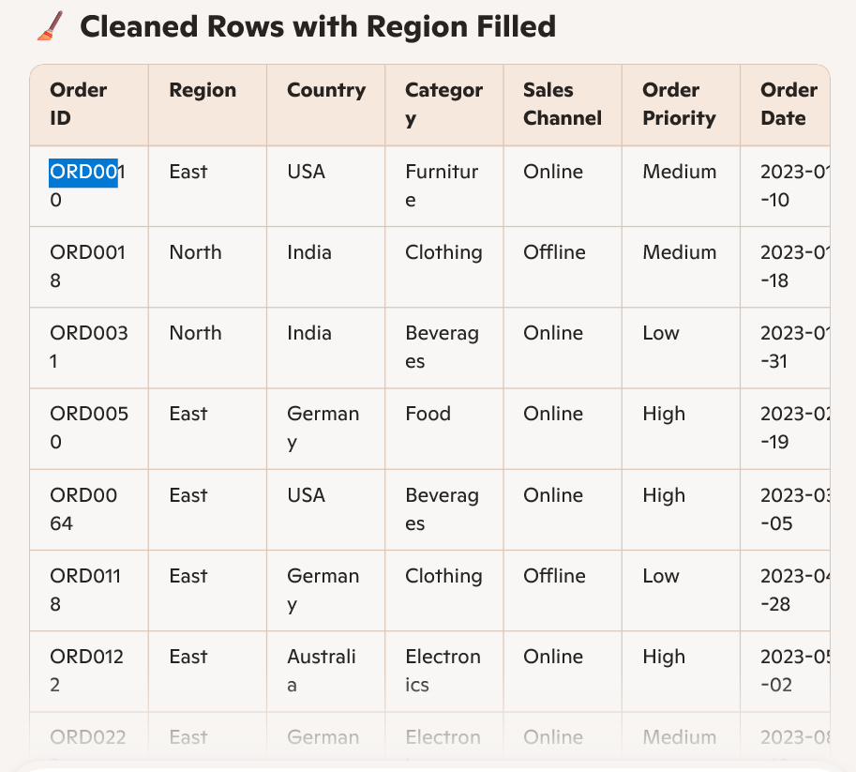
Question:2 | Use Copilot to fill missing values in the Region and Category columns

 |  | Order Id | Region | Category
 |  | ORD0010 | East | Furniture
Prompt: | Copilot could you please fill missing values in the Region and Category columns provide me proper data and provide me the table here. | ORD0018 | North | Clothing
 |  | ORD0031 | North | Beverages
 |  | ORD0050 | East | Food
 |  | ORD0064 | East | Beverages
 |  | ORD0118 | East | Clothing
 |  | ORD0122 | East | Electronics
 |  | ORD0222 | East | Electronics
 |  | ORD0332 | North | Electronics
 |  | ORD0347 | East | Electronics

Question 4
Question:4 | Create a new calculated column Total Revenue

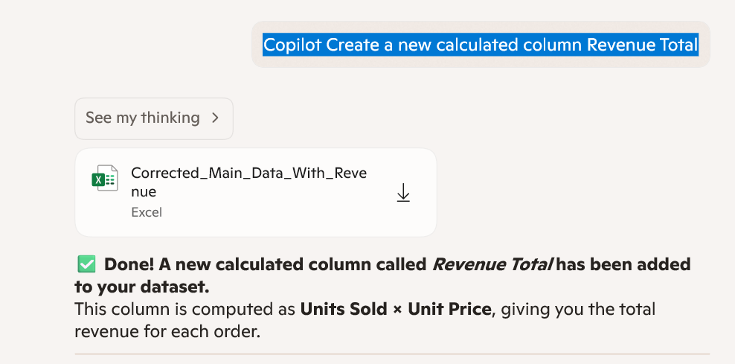
 |  | Order ID | Region | Country | Category | Sales Channel | Order Priority | Order Date | Units Sold | Unit Price | Unit Cost | Result got from Copilot | Manually put formula
Prompt | Copilot Create a new calculated column Revenue Total | ORD0001 | East | Germany | Beverages | Online | High | 2023-01-01 | 235 | 152.92 | 153.6 | 35936.2 | 35936.2
 |  | ORD0002 | West | India | Food | Online | Low | 2023-01-02 | 341 | 467.92 | 139.84 | 159560.72 | 159560.72
 |  | ORD0003 | North | India | Clothing | Offline | High | 2023-01-03 | 179 | 473.94 | 97.14 | 84835.26 | 84835.26
 |  | ORD0004 | East | USA | Furniture | Offline | Medium | 2023-01-04 | 18 | 314.53 | 204.87 | 5661.54 | 5661.54
 |  | ORD0005 | East | India | Furniture | Offline | Medium | 2023-01-05 | 472 | 392.79 | 330.46 | 185396.88 | 185396.88
 |  | ORD0006 | West | UK | Clothing | Online | High | 2023-01-06 | 49 | 308.07 | 113.32 | 15095.43 | 15095.43
 |  | ORD0007 | North | Germany | Clothing | Online | Low | 2023-01-07 | 34 | 244.78 | 377.07 | 8322.52 | 8322.52
 |  | ORD0008 | North | India | Beverages | Online | High | 2023-01-08 | 270 | 332.11 | 349.59 | 89669.7 | 89669.7
 |  | ORD0009 | East | India | Beverages | Online | Low | 2023-01-09 | 404 | 278.74 | 66.38 | 112610.96 | 112610.96
 |  | ORD0010 |  | USA | Furniture | Online | Medium | 2023-01-10 | 452 | 300.75 | 314.94 | 135939 | 135939
 |  | ORD0011 | East | USA | Food | Online | Low | 2023-01-11 | 235 | 393 | 230.69 | 92355 | 92355
 |  | ORD0012 | East | UK | Furniture | Offline | Medium | 2023-01-12 | 481 | 243.05 | 227.5 | 116907.05 | 116907.05
 |  | ORD0013 | East | Germany | Food | Offline | Low | 2023-01-13 | 133 | 25.17 | 157.64 | 3347.61 | 3347.61
 |  | ORD0014 | East | USA | Food | Offline | Low | 2023-01-14 | 472 | 86.18 | 201.46 | 40676.96 | 40676.96
 |  | ORD0015 | West | India | Beverages | Offline | Low | 2023-01-15 | 47 | 222.11 | 160.08 | 10439.17 | 10439.17
 |  | ORD0016 | North | Germany | Electronics | Online | High | 2023-01-16 | 337 | 363.79 | 216.81 | 122597.23 | 122597.23
 |  | ORD0017 | West | Germany | Electronics | Online | High | 2023-01-17 | 260 | 298.67 | 251.92 | 77654.2 | 77654.2
 |  | ORD0018 |  | India | Clothing | Offline | Medium | 2023-01-18 | 398 | 326.9 | 270.37 | 130106.2 | 130106.2
 |  | ORD0019 | West | USA | Beverages | Online | Medium | 2023-01-19 | 185 | 242.24 | 213.93 | 44814.4 | 44814.4
 |  | ORD0020 | East | India | Food | Offline | High | 2023-01-20 | 99 | 309.79 | 289.13 | 30669.21 | 30669.21
 |  | ORD0021 | South | Germany | Electronics | Offline | Medium | 2023-01-21 | 411 | 167.86 | 58.23 | 68990.46 | 68990.46
 |  | ORD0022 | North | Australia | Food | Offline | High | 2023-01-22 | 463 | 237.74 | 86.37 | 110073.62 | 110073.62
 |  | ORD0023 | South | Australia | Electronics | Online | Low | 2023-01-23 | 46 | 373.42 | 327.86 | 17177.32 | 17177.32
 |  | ORD0024 | West | UK | Electronics | Offline | Medium | 2023-01-24 | 325 | 436.56 | 130.37 | 141882 | 141882
 |  | ORD0025 | West | India |  | Offline | Medium | 2023-01-25 | 185 | 219.66 | 11.11 | 40637.1 | 40637.1
 |  | ORD0026 | South | India | Beverages | Offline | High | 2023-01-26 | 470 | 26.61 | 63.21 | 12506.7 | 12506.7
 |  | ORD0027 | South | UK | Furniture | Online | Medium | 2023-01-27 | 293 | 85.03 | 91 | 24913.79 | 24913.79
 |  | ORD0028 | South | UK | Food | Online | Medium | 2023-01-28 | 462 | 206.7 | 383.01 | 95495.4 | 95495.4
 |  | ORD0029 | West | UK | Beverages | Offline | Low | 2023-01-29 | 470 | 328.37 | 230.07 | 154333.9 | 154333.9
 |  | ORD0030 | West | Germany | Beverages | Online | Medium | 2023-01-30 | 90 | 169.5 | 373.23 | 15255 | 15255
 |  | ORD0031 |  | India | Beverages | Online | Low | 2023-01-31 | 123 | 273.53 | 230.92 | 33644.19 | 33644.19
 |  | ORD0032 | North | Germany | Beverages | Online | High | 2023-02-01 | 49 | 249.17 | 192.78 | 12209.33 | 12209.33
 |  | ORD0033 | West | UK | Beverages | Online | Medium | 2023-02-02 | 310 | 45.36 | 126.86 | 14061.6 | 14061.6
 |  | ORD0034 | South | India | Clothing | Online | Low | 2023-02-03 | 233 | 204.61 | 243.34 | 47674.13 | 47674.13
 |  | ORD0035 | South | Germany | Food | Online | High | 2023-02-04 | 327 | 114.18 | 57.4 | 37336.86 | 37336.86
 |  | ORD0036 | North | Germany | Beverages | Online | Medium | 2023-02-05 | 358 | 212.11 | 359.51 | 75935.38 | 75935.38
 |  | ORD0037 | West | UK | Food | Online | High | 2023-02-06 | 124 | 316.565 | 332.07 | 39254.06 | 39254.06
 |  | ORD0038 | North | India | Clothing | Online | Medium | 2023-02-07 | 195 | 421.02 | 128.38 | 82098.9 | 82098.9
 |  | ORD0039 | North | UK | Clothing | Online | High | 2023-02-08 | 130 | 91.23 | 381.21 | 11859.9 | 11859.9
 |  | ORD0040 | East | India | Food | Offline | High | 2023-02-09 | 65 | 480.59 | 330.43 | 31238.35 | 31238.35
 |  | ORD0041 | East | Australia | Electronics | Offline | Low | 2023-02-10 | 49 | 210.87 | 267.19 | 10332.63 | 10332.63
 |  | ORD0042 | East | USA | Furniture | Online | High | 2023-02-11 | 363 | 423.89 | 50.46 | 153872.07 | 153872.07
 |  | ORD0043 | South | USA | Electronics | Offline | Medium | 2023-02-12 | 49 | 316.24 | 192.34 | 15495.76 | 15495.76
 |  | ORD0044 | West | USA | Electronics | Offline | Medium | 2023-02-13 | 356 | 369 | 203.43 | 131364 | 131364
 |  | ORD0045 | West | UK | Electronics | Online | Low | 2023-02-14 | 470 | 311.95 | 94.56 | 146616.5 | 146616.5
 |  | ORD0046 | West | Australia | Beverages | Online | Medium | 2023-02-15 | 246 | 254.9 | 33.83 | 62705.4 | 62705.4
 |  | ORD0047 | West | India | Clothing | Online | Medium | 2023-02-16 | 298 | 273.93 | 311.14 | 81631.14 | 81631.14
 |  | ORD0048 | East | Germany | Electronics | Offline | Medium | 2023-02-17 | 271 | 259.43 | 50.57 | 70305.53 | 70305.53
 |  | ORD0049 | South | India | Clothing | Offline | High | 2023-02-18 | 225 | 296.09 | 238.53 | 66620.25 | 66620.25
 |  | ORD0050 |  | Germany | Food | Online | High | 2023-02-19 | 156 | 19.55 | 374.71 | 3049.8 | 3049.8
 |  | ORD0051 | East | India | Furniture | Online | Medium | 2023-02-20 | 345 | 200.78 | 350.69 | 69269.1 | 69269.1
 |  | ORD0052 | South | Australia | Food | Online | Low | 2023-02-21 | 177 | 305.06 | 112.55 | 53995.62 | 53995.62
 |  | ORD0053 | East | Germany | Food | Offline | High | 2023-02-22 | 101 | 300.87 | 340.88 | 30387.87 | 30387.87
 |  | ORD0054 | West | UK | Beverages | Offline | Low | 2023-02-23 | 362 | 397.51 | 2.13 | 143898.62 | 143898.62
 |  | ORD0055 | East | India | Furniture | Offline | Medium | 2023-02-24 | 68 | 329.23 | 9.04 | 22387.64 | 22387.64
 |  | ORD0056 | West | India | Food | Offline | Medium | 2023-02-25 | 68 | 496.11 | 241.82 | 33735.48 | 33735.48
 |  | ORD0057 | West | Germany | Food | Online | High | 2023-02-26 | 313 | 145.51 | 147.19 | 45544.63 | 45544.63
 |  | ORD0058 | North | UK | Furniture | Online | Medium | 2023-02-27 | 178 | 182.78 | 155.81 | 32534.84 | 32534.84
 |  | ORD0059 | East | UK | Furniture | Online | High | 2023-02-28 | 278 | 195 | 226.65 | 54210 | 54210
 |  | ORD0060 | North | Australia | Food | Online | Medium | 2023-03-01 | 372 | 235.58 | 78.33 | 87635.76 | 87635.76
 |  | ORD0061 | East | UK | Furniture | Offline | Medium | 2023-03-02 | 54 | 418.82 | 86.28 | 22616.28 | 22616.28
 |  | ORD0062 | East | UK | Food | Offline | High | 2023-03-03 | 354 | 121.72 | 194.87 | 43088.88 | 43088.88
 |  | ORD0063 | North | UK | Food | Online | High | 2023-03-04 | 190 | 389.12 | 302.19 | 73932.8 | 73932.8
 |  | ORD0064 |  | USA | Beverages | Online | High | 2023-03-05 | 179 | 205.63 | 248.56 | 36807.77 | 36807.77
 |  | ORD0065 | East | Australia | Electronics | Offline | Medium | 2023-03-06 | 365 | 302.92 | 120.35 | 110565.8 | 110565.8
 |  | ORD0066 | South | India | Food | Online | Medium | 2023-03-07 | 200 | 318.11 | 173.27 | 63622 | 63622
 |  | ORD0067 | West | Germany | Clothing | Offline | Low | 2023-03-08 | 164 | 189.56 | 69.92 | 31087.84 | 31087.84
 |  | ORD0068 | North | India | Electronics | Online | High | 2023-03-09 | 431 | 258.74 | 31.7 | 111516.94 | 111516.94
 |  | ORD0069 | West | Australia | Electronics | Online | Medium | 2023-03-10 | 197 | 209.45 | 313.51 | 41261.65 | 41261.65
 |  | ORD0070 | South | Germany | Electronics | Online | Medium | 2023-03-11 | 16 | 39.22 | 107.62 | 627.52 | 627.52
 |  | ORD0071 | South | Australia | Beverages | Online | High | 2023-03-12 | 142 | 221.4 | 72.75 | 31438.8 | 31438.8
 |  | ORD0072 | South | UK | Food | Online | Low | 2023-03-13 | 244 | 53.21 | 277.26 | 12983.24 | 12983.24
 |  | ORD0073 | North | Germany | Beverages | Online | High | 2023-03-14 | 54 | 205.49 | 247.98 | 11096.46 | 11096.46
 |  | ORD0074 | South | UK | Food | Online | Low | 2023-03-15 | 323 | 298.49 | 254.01 | 96412.27 | 96412.27
 |  | ORD0075 | North | India | Beverages | Offline | Medium | 2023-03-16 | 258 | 291.81 | 93.1 | 75286.98 | 75286.98
 |  | ORD0076 | South | India | Beverages | Offline | Low | 2023-03-17 | 40 | 333 | 94.59 | 13320 | 13320
 |  | ORD0077 | West | Germany | Clothing | Offline | Medium | 2023-03-18 | 32 | 52.15 | 89.88 | 1668.8 | 1668.8
 |  | ORD0078 | West | Germany | Beverages | Offline | High | 2023-03-19 | 435 | 327.8 | 71.15 | 142593 | 142593
 |  | ORD0079 | East | Australia | Furniture | Offline | High | 2023-03-20 | 403 | 159.51 | 262.98 | 64282.53 | 64282.53
 |  | ORD0080 | West | Australia | Clothing | Online | High | 2023-03-21 | 169 | 294.605 | 339.51 | 49788.245 | 49788.245
 |  | ORD0081 | East | UK | Beverages | Online | Low | 2023-03-22 | 372 | 429.7 | 290.28 | 159848.4 | 159848.4
 |  | ORD0082 | West | Germany | Electronics | Offline | Medium | 2023-03-23 | 446 | 9.47 | 317.25 | 4223.62 | 4223.62
 |  | ORD0083 | North | India | Furniture | Online | High | 2023-03-24 | 167 | 296.26 | 163.11 | 49475.42 | 49475.42
 |  | ORD0084 | West | Australia | Furniture | Offline | High | 2023-03-25 | 48 | 301.36 | 262.32 | 14465.28 | 14465.28
 |  | ORD0085 | East | Australia | Furniture | Offline | Medium | 2023-03-26 | 424 | 201.35 | 142.99 | 85372.4 | 85372.4
 |  | ORD0086 | East | India | Clothing | Online | High | 2023-03-27 | 91 | 122.33 | 211.15 | 11132.03 | 11132.03
 |  | ORD0087 | South | Australia | Beverages | Online | Medium | 2023-03-28 | 365 | 121.16 | 193.69 | 44223.4 | 44223.4
 |  | ORD0088 | North | UK | Beverages | Online | Medium | 2023-03-29 | 267 | 442.44 | 72.4 | 118131.48 | 118131.48
 |  | ORD0089 | West | Germany | Electronics | Offline | Medium | 2023-03-30 | 215 | 223.8 | 156.06 | 48117 | 48117
 |  | ORD0090 | South | India | Electronics | Online | Medium | 2023-03-31 | 86 | 168.79 | 385.6 | 14515.94 | 14515.94
 |  | ORD0091 | West | Germany | Furniture | Offline | Medium | 2023-04-01 | 486 | 227.14 | 100.93 | 110390.04 | 110390.04
 |  | ORD0092 | West | Australia | Electronics | Offline | Low | 2023-04-02 | 21 | 152.145 | 55.25 | 3195.045 | 3195.045
 |  | ORD0093 | South | Australia | Clothing | Offline | High | 2023-04-03 | 304 | 77.15 | 168.6 | 23453.6 | 23453.6
 |  | ORD0094 | South | India | Beverages | Online | Low | 2023-04-04 | 459 | 227.47 | 316.55 | 104408.73 | 104408.73
 |  | ORD0095 | South | UK | Furniture | Online | High | 2023-04-05 | 233 | 296 | 233.69 | 68968 | 68968
 |  | ORD0096 | South | USA | Electronics | Offline | Low | 2023-04-06 | 22 | 474.55 | 273.03 | 10440.1 | 10440.1
 |  | ORD0097 | South | India | Clothing | Online | Medium | 2023-04-07 | 55 | 130 | 77.5 | 7150 | 7150
 |  | ORD0098 | West | USA | Clothing | Online | High | 2023-04-08 | 164 | 182.83 | 248.34 | 29984.12 | 29984.12
 |  | ORD0099 | South | USA | Electronics | Online | High | 2023-04-09 | 122 | 192.78 | 130.75 | 23519.16 | 23519.16
 |  | ORD0100 | North | UK | Beverages | Offline | Low | 2023-04-10 | 242 | 304.74 | 334.05 | 73747.08 | 73747.08
 |  | ORD0101 | East | USA | Electronics | Offline | Low | 2023-04-11 | 26 | 181.58 | 252.46 | 4721.08 | 4721.08
 |  | ORD0102 | South | USA | Furniture | Online | High | 2023-04-12 | 369 | 269.09 | 81.14 | 99294.21 | 99294.21
 |  | ORD0103 | South | UK | Electronics | Offline | Low | 2023-04-13 | 232 | 391.99 | 27.72 | 90941.68 | 90941.68
 |  | ORD0104 | West | USA | Clothing | Online | Low | 2023-04-14 | 363 | 354.17 | 18.97 | 128563.71 | 128563.71
 |  | ORD0105 | South | USA | Electronics | Online | Low | 2023-04-15 | 197 | 225.95 | 149.82 | 44512.15 | 44512.15
 |  | ORD0106 | South | USA | Beverages | Online | Medium | 2023-04-16 | 457 | 432.79 | 107.81 | 197785.03 | 197785.03
 |  | ORD0107 | South | India | Food | Online | Medium | 2023-04-17 | 353 | 281.28 | 259.14 | 99291.84 | 99291.84
 |  | ORD0108 | West | India | Electronics | Offline | Low | 2023-04-18 | 374 | 272.25 | 200.73 | 101821.5 | 101821.5
 |  | ORD0109 | South | India | Beverages | Offline | Low | 2023-04-19 | 172 | 21.92 | 107.88 | 3770.24 | 3770.24
 |  | ORD0110 | East | UK | Beverages | Offline | Medium | 2023-04-20 | 335 | 493.41 | 61.4 | 165292.35 | 165292.35
 |  | ORD0111 | West | Australia | Clothing | Online | Medium | 2023-04-21 | 476 | 65.87 | 52.63 | 31354.12 | 31354.12
 |  | ORD0112 | East | USA | Beverages | Online | High | 2023-04-22 | 423 | 119.41 | 346.13 | 50510.43 | 50510.43
 |  | ORD0113 | West | USA | Beverages | Online | High | 2023-04-23 | 464 | 30.59 | 98.9 | 14193.76 | 14193.76
 |  | ORD0114 | South | UK | Beverages | Offline | Medium | 2023-04-24 | 83 | 321.8 | 261.38 | 26709.4 | 26709.4
 |  | ORD0115 | East | USA | Beverages | Online | Low | 2023-04-25 | 242 | 116.23 | 324.65 | 28127.66 | 28127.66
 |  | ORD0116 | West | India | Furniture | Offline | Low | 2023-04-26 | 233 | 94.11 | 246.4 | 21927.63 | 21927.63
 |  | ORD0117 | North | Australia | Furniture | Offline | Low | 2023-04-27 | 491 | 48.84 | 344.11 | 23980.44 | 23980.44
 |  | ORD0118 |  | Germany | Clothing | Offline | Low | 2023-04-28 | 328 | 56.14 | 158.17 | 18413.92 | 18413.92
 |  | ORD0119 | West | USA | Electronics | Offline | High | 2023-04-29 | 421 | 294.41 | 382.58 | 123946.61 | 123946.61
 |  | ORD0120 | North | India | Beverages | Offline | Medium | 2023-04-30 | 69 | 345.66 | 54.99 | 23850.54 | 23850.54
 |  | ORD0121 | West | Germany | Electronics | Offline | Low | 2023-05-01 | 344 | 201.7 | 42.66 | 69384.8 | 69384.8
 |  | ORD0122 |  | Australia | Electronics | Online | High | 2023-05-02 | 231 | 242.55 | 264.16 | 56029.05 | 56029.05
 |  | ORD0123 | South | Germany | Clothing | Online | Low | 2023-05-03 | 46 | 344.55 | 377.25 | 15849.3 | 15849.3
 |  | ORD0124 | East | India | Beverages | Offline | Medium | 2023-05-04 | 486 | 13.6 | 323.94 | 6609.6 | 6609.6
 |  | ORD0125 | North | Germany | Beverages | Offline | High | 2023-05-05 | 287 | 164.95 | 32.41 | 47340.65 | 47340.65
 |  | ORD0126 | West | UK | Food | Online | Medium | 2023-05-06 | 205 | 486.68 | 113.19 | 99769.4 | 99769.4
 |  | ORD0127 | South | Germany | Electronics | Offline | Medium | 2023-05-07 | 413 | 292.16 | 372.27 | 120662.08 | 120662.08
 |  | ORD0128 | North | USA | Electronics | Offline | High | 2023-05-08 | 361 | 130.84 | 102.72 | 47233.24 | 47233.24
 |  | ORD0129 | West | USA | Furniture | Online | High | 2023-05-09 | 493 | 263.26 | 312.91 | 129787.18 | 129787.18
 |  | ORD0130 | West | UK | Food | Offline | High | 2023-05-10 | 251 | 174.61 | 330.4 | 43827.11 | 43827.11
 |  | ORD0131 | West | India | Furniture | Offline | High | 2023-05-11 | 239.5 | 268.46 | 199.19 | 64296.17 | 64296.17
 |  | ORD0132 | North | USA | Furniture | Offline | High | 2023-05-12 | 228 | 67.24 | 155.77 | 15330.72 | 15330.72
 |  | ORD0133 | North | Australia | Furniture | Online | High | 2023-05-13 | 201 | 70.69 | 181.15 | 14208.69 | 14208.69
 |  | ORD0134 | North | USA | Clothing | Online | High | 2023-05-14 | 26 | 76.05 | 92.33 | 1977.3 | 1977.3
 |  | ORD0135 | East | USA | Clothing | Online | Low | 2023-05-15 | 21 | 470.21 | 355.98 | 9874.41 | 9874.41
 |  | ORD0136 | North | India | Furniture | Offline | Medium | 2023-05-16 | 415 | 367.78 | 181.35 | 152628.7 | 152628.7
 |  | ORD0137 | North | Germany | Food | Offline | High | 2023-05-17 | 410 | 85.38 | 353.22 | 35005.8 | 35005.8
 |  | ORD0138 | North | USA | Electronics | Online | Low | 2023-05-18 | 403 | 98.23 | 44.07 | 39586.69 | 39586.69
 |  | ORD0139 | East | UK | Food | Offline | Low | 2023-05-19 | 383 | 366.76 | 395.33 | 140469.08 | 140469.08
 |  | ORD0140 | North | Germany | Beverages | Offline | Low | 2023-05-20 | 202 | 82.3 | 178.42 | 16624.6 | 16624.6
 |  | ORD0141 | West | Australia | Clothing | Offline | Medium | 2023-05-21 | 31 | 121.11 | 21.04 | 3754.41 | 3754.41
 |  | ORD0142 | North | India | Electronics | Offline | High | 2023-05-22 | 483 | 481.86 | 17.13 | 232738.38 | 232738.38
 |  | ORD0143 | West | Australia | Electronics | Offline | Low | 2023-05-23 | 129 | 131.38 | 298.99 | 16948.02 | 16948.02
 |  | ORD0144 | West | Germany | Beverages | Online | Medium | 2023-05-24 | 219 | 332.51 | 264.3 | 72819.69 | 72819.69
 |  | ORD0145 | West | Germany | Beverages | Offline | Medium | 2023-05-25 | 315 | 489.42 | 321.25 | 154167.3 | 154167.3
 |  | ORD0146 | East | Germany | Furniture | Online | Medium | 2023-05-26 | 279 | 190.28 | 43.94 | 53088.12 | 53088.12
 |  | ORD0147 | East | Australia | Clothing | Offline | Low | 2023-05-27 | 201 | 13.67 | 16.16 | 2747.67 | 2747.67
 |  | ORD0148 | East | Germany | Clothing | Online | High | 2023-05-28 | 184 | 125.85 | 204.41 | 23156.4 | 23156.4
 |  | ORD0149 | North | Australia | Food | Offline | Low | 2023-05-29 | 294 | 416.28 | 156.26 | 122386.32 | 122386.32
 |  | ORD0150 | West | Germany | Furniture | Online | Low | 2023-05-30 | 213 | 432.98 | 185.85 | 92224.74 | 92224.74
 |  | ORD0151 | East | UK | Furniture | Offline | High | 2023-05-31 | 173 | 385.42 | 396.65 | 66677.66 | 66677.66
 |  | ORD0152 | East | Germany | Furniture | Online | High | 2023-06-01 | 260 | 60.99 | 388.36 | 15857.4 | 15857.4
 |  | ORD0153 | North | Australia | Furniture | Offline | High | 2023-06-02 | 236 | 398.78 | 377.04 | 94112.08 | 94112.08
 |  | ORD0154 | East | USA | Clothing | Online | Medium | 2023-06-03 | 445 | 459.75 | 313.97 | 204588.75 | 204588.75
 |  | ORD0155 | North | Germany | Clothing | Offline | High | 2023-06-04 | 390 | 302.3 | 143.23 | 117897 | 117897
 |  | ORD0156 | South | USA | Furniture | Online | Low | 2023-06-05 | 469 | 470.73 | 166.03 | 220772.37 | 220772.37
 |  | ORD0157 | East | UK | Food | Online | High | 2023-06-06 | 16 | 402.94 | 220.75 | 6447.04 | 6447.04
 |  | ORD0158 | South | India | Electronics | Offline | Low | 2023-06-07 | 38 | 335.15 | 332.55 | 12735.7 | 12735.7
 |  | ORD0159 | North | UK |  | Offline | Medium | 2023-06-08 | 404 | 290.71 | 29.35 | 117446.84 | 117446.84
 |  | ORD0160 | West | Germany | Food | Online | Low | 2023-06-09 | 42 | 177.54 | 170.87 | 7456.68 | 7456.68
 |  | ORD0161 | East | USA | Furniture | Offline | Low | 2023-06-10 | 143 | 83.85 | 34.88 | 11990.55 | 11990.55
 |  | ORD0162 | North | USA | Clothing | Online | High | 2023-06-11 | 376 | 304.45 | 206.83 | 114473.2 | 114473.2
 |  | ORD0163 | West | Australia | Electronics | Online | High | 2023-06-12 | 88 | 162.47 | 359.76 | 14297.36 | 14297.36
 |  | ORD0164 | West | USA | Beverages | Online | Low | 2023-06-13 | 425 | 433.89 | 313.43 | 184403.25 | 184403.25
 |  | ORD0165 | South | Australia | Beverages | Offline | High | 2023-06-14 | 444 | 496.7 | 92.68 | 220534.8 | 220534.8
 |  | ORD0166 | North | India | Food | Online | Medium | 2023-06-15 | 468 | 377.45 | 390.44 | 176646.6 | 176646.6
 |  | ORD0167 | West | Germany | Furniture | Online | Medium | 2023-06-16 | 67 | 49.79 | 267.61 | 3335.93 | 3335.93
 |  | ORD0168 | East | Australia | Electronics | Offline | High | 2023-06-17 | 480 | 147.9 | 6.15 | 70992 | 70992
 |  | ORD0169 | East | India | Furniture | Offline | Medium | 2023-06-18 | 35 | 59.01 | 103.65 | 2065.35 | 2065.35
 |  | ORD0170 | South | USA | Electronics | Offline | High | 2023-06-19 | 491 | 327 | 105.76 | 160557 | 160557
 |  | ORD0171 | West | USA | Food | Offline | Low | 2023-06-20 | 439 | 383.77 | 29.56 | 168475.03 | 168475.03
 |  | ORD0172 | North | India | Food | Online | Low | 2023-06-21 | 235 | 463.21 | 384.01 | 108854.35 | 108854.35
 |  | ORD0173 | East | USA | Beverages | Online | Medium | 2023-06-22 | 294 | 221.9 | 192.35 | 65238.6 | 65238.6
 |  | ORD0174 | West | India | Furniture | Online | High | 2023-06-23 | 13 | 451.18 | 358.53 | 5865.34 | 5865.34
 |  | ORD0175 | West | Australia | Beverages | Online | High | 2023-06-24 | 474 | 439.56 | 130.24 | 208351.44 | 208351.44
 |  | ORD0176 | South | Australia | Furniture | Offline | Medium | 2023-06-25 | 108 | 162.01 | 51.84 | 17497.08 | 17497.08
 |  | ORD0177 | East | India | Beverages | Online | Low | 2023-06-26 | 406 | 435.11 | 190.79 | 176654.66 | 176654.66
 |  | ORD0178 | East | Australia | Clothing | Online | Medium | 2023-06-27 | 498 | 190.96 | 47.35 | 95098.08 | 95098.08
 |  | ORD0179 | North | Australia | Clothing | Offline | Low | 2023-06-28 | 48 | 151.95 | 195.43 | 7293.6 | 7293.6
 |  | ORD0180 | East | Australia | Clothing | Online | High | 2023-06-29 | 280 | 326.29 | 368.28 | 91361.2 | 91361.2
 |  | ORD0181 | North | UK | Clothing | Online | Low | 2023-06-30 | 384 | 167.55 | 209.27 | 64339.2 | 64339.2
 |  | ORD0182 | East | Germany | Electronics | Online | Medium | 2023-07-01 | 294 | 316.95 | 247.37 | 93183.3 | 93183.3
 |  | ORD0183 | South | USA | Clothing | Online | High | 2023-07-02 | 166 | 306.87 | 64.34 | 50940.42 | 50940.42
 |  | ORD0184 | East | UK | Food | Online | Medium | 2023-07-03 | 84 | 283.9 | 19.41 | 23847.6 | 23847.6
 |  | ORD0185 | North | Australia | Food | Online | Medium | 2023-07-04 | 381 | 193.31 | 46.1 | 73651.11 | 73651.11
 |  | ORD0186 | North | India | Electronics | Offline | Low | 2023-07-05 | 297 | 276.51 | 240.22 | 82123.47 | 82123.47
 |  | ORD0187 | South | Australia | Clothing | Offline | Medium | 2023-07-06 | 139 | 300.26 | 39.81 | 41736.14 | 41736.14
 |  | ORD0188 | East | Germany | Clothing | Online | Low | 2023-07-07 | 184 | 275.12 | 151.65 | 50622.08 | 50622.08
 |  | ORD0189 | East | Australia | Clothing | Online | High | 2023-07-08 | 471 | 224.99 | 220.94 | 105970.29 | 105970.29
 |  | ORD0190 | South | India | Beverages | Offline | Low | 2023-07-09 | 93 | 12.26 | 156.68 | 1140.18 | 1140.18
 |  | ORD0191 | East | Germany | Furniture | Online | High | 2023-07-10 | 31 | 295.6 | 67.15 | 9163.6 | 9163.6
 |  | ORD0192 | East | Australia | Beverages | Online | Low | 2023-07-11 | 468 | 88.38 | 110.97 | 41361.84 | 41361.84
 |  | ORD0193 | North | Germany | Furniture | Online | Medium | 2023-07-12 | 36 | 323.08 | 371.47 | 11630.88 | 11630.88
 |  | ORD0194 | East | USA | Clothing | Offline | Low | 2023-07-13 | 204 | 380.88 | 271.04 | 77699.52 | 77699.52
 |  | ORD0195 | East | USA | Clothing | Online | Low | 2023-07-14 | 346 | 252.72 | 199.43 | 87441.12 | 87441.12
 |  | ORD0196 | South | Australia | Beverages | Offline | High | 2023-07-15 | 391 | 273.47 | 7.06 | 106926.77 | 106926.77
 |  | ORD0197 | South | Germany | Beverages | Online | Medium | 2023-07-16 | 245 | 475.98 | 396.98 | 116615.1 | 116615.1
 |  | ORD0198 | West | India | Furniture | Offline | Low | 2023-07-17 | 449 | 424.35 | 269.24 | 190533.15 | 190533.15
 |  | ORD0199 | North | Australia | Food | Offline | Medium | 2023-07-18 | 101 | 457.55 | 128.14 | 46212.55 | 46212.55
 |  | ORD0200 | East | USA | Furniture | Online | Low | 2023-07-19 | 65.5 | 407.81 | 351.95 | 26711.555 | 26711.555
 |  | ORD0201 | East | USA | Beverages | Offline | Low | 2023-07-20 | 30 | 58.91 | 104.86 | 1767.3 | 1767.3
 |  | ORD0202 | West | Australia | Beverages | Online | Medium | 2023-07-21 | 312 | 78.75 | 218.52 | 24570 | 24570
 |  | ORD0203 | East | Germany | Electronics | Offline | Low | 2023-07-22 | 473 | 265.68 | 255.16 | 125666.64 | 125666.64
 |  | ORD0204 | North | USA | Beverages | Online | Medium | 2023-07-23 | 366 | 126.8 | 89.98 | 46408.8 | 46408.8
 |  | ORD0205 | West | Germany | Electronics | Online | Low | 2023-07-24 | 452 | 240.96 | 391.4 | 108913.92 | 108913.92
 |  | ORD0206 | North | USA | Food | Offline | High | 2023-07-25 | 93 | 200.21 | 299.78 | 18619.53 | 18619.53
 |  | ORD0207 | West | USA | Furniture | Online | Medium | 2023-07-26 | 271 | 276.96 | 224.01 | 75056.16 | 75056.16
 |  | ORD0208 | West | UK | Furniture | Online | Low | 2023-07-27 | 156 | 374.7 | 73.88 | 58453.2 | 58453.2
 |  | ORD0209 | South | USA | Electronics | Offline | Low | 2023-07-28 | 450 | 359.17 | 23.44 | 161626.5 | 161626.5
 |  | ORD0210 | North | India | Furniture | Online | High | 2023-07-29 | 462 | 263.01 | 129.38 | 121510.62 | 121510.62
 |  | ORD0211 | East | Australia |  | Online | Medium | 2023-07-30 | 396 | 412.08 | 301.77 | 163183.68 | 163183.68
 |  | ORD0212 | East | Australia | Clothing | Offline | Low | 2023-07-31 | 266 | 218.28 | 109.19 | 58062.48 | 58062.48
 |  | ORD0213 | North | Germany | Electronics | Offline | High | 2023-08-01 | 67 | 448.87 | 216.74 | 30074.29 | 30074.29
 |  | ORD0214 | East | USA | Furniture | Online | Low | 2023-08-02 | 389 | 40.28 | 291.72 | 15668.92 | 15668.92
 |  | ORD0215 | East | India | Electronics | Online | Medium | 2023-08-03 | 431 | 477.56 | 44.96 | 205828.36 | 205828.36
 |  | ORD0216 | North | Germany | Electronics | Offline | Low | 2023-08-04 | 24 | 329.07 | 274.75 | 7897.68 | 7897.68
 |  | ORD0217 | West | UK | Clothing | Offline | Low | 2023-08-05 | 171 | 193.14 | 38.56 | 33026.94 | 33026.94
 |  | ORD0218 | North | Germany | Beverages | Online | Low | 2023-08-06 | 454 | 102.59 | 386.12 | 46575.86 | 46575.86
 |  | ORD0219 | West | Germany | Electronics | Offline | Low | 2023-08-07 | 172 | 242.2 | 196.38 | 41658.4 | 41658.4
 |  | ORD0220 | East | USA | Furniture | Online | High | 2023-08-08 | 329 | 101.31 | 61.97 | 33330.99 | 33330.99
 |  | ORD0221 | East | UK | Food | Online | High | 2023-08-09 | 290 | 87.33 | 138.27 | 25325.7 | 25325.7
 |  | ORD0222 |  | Germany | Electronics | Online | Medium | 2023-08-10 | 289 | 310.59 | 166.54 | 89760.51 | 89760.51
 |  | ORD0223 | South | India | Electronics | Online | High | 2023-08-11 | 21 | 263.93 | 303.76 | 5542.53 | 5542.53
 |  | ORD0224 | West | India | Clothing | Online | High | 2023-08-12 | 283 | 336.7 | 297.88 | 95286.1 | 95286.1
 |  | ORD0225 | South | Australia | Beverages | Offline | Medium | 2023-08-13 | 280 | 465.15 | 245.55 | 130242 | 130242
 |  | ORD0226 | South | UK | Food | Offline | High | 2023-08-14 | 217 | 268.47 | 44.16 | 58257.99 | 58257.99
 |  | ORD0227 | North | UK | Furniture | Offline | High | 2023-08-15 | 36 | 292.56 | 62.32 | 10532.16 | 10532.16
 |  | ORD0228 | South | Australia | Food | Offline | Medium | 2023-08-16 | 52.5 | 49.37 | 39.32 | 2591.925 | 2591.925
 |  | ORD0229 | North | Germany | Furniture | Online | Medium | 2023-08-17 | 69 | 360.23 | 231.71 | 24855.87 | 24855.87
 |  | ORD0230 | North | UK | Beverages | Online | Medium | 2023-08-18 | 439 | 202.95 | 351.1 | 89095.05 | 89095.05
 |  | ORD0231 | South | India | Furniture | Online | Low | 2023-08-19 | 482 | 488.48 | 174.65 | 235447.36 | 235447.36
 |  | ORD0232 | West | India | Clothing | Online | Low | 2023-08-20 | 154 | 412.47 | 66.02 | 63520.38 | 63520.38
 |  | ORD0233 | West | USA | Clothing | Offline | Medium | 2023-08-21 | 102 | 263.63 | 224.1 | 26890.26 | 26890.26
 |  | ORD0234 | West | UK | Clothing | Online | Medium | 2023-08-22 | 318 | 66 | 325.08 | 20988 | 20988
 |  | ORD0235 | West | Germany | Clothing | Online | Medium | 2023-08-23 | 17 | 430.41 | 297.2 | 7316.97 | 7316.97
 |  | ORD0236 | West | Australia | Food | Offline | Low | 2023-08-24 | 88 | 400.89 | 352.82 | 35278.32 | 35278.32
 |  | ORD0237 | South | Australia | Beverages | Offline | Low | 2023-08-25 | 36 | 96.37 | 112.61 | 3469.32 | 3469.32
 |  | ORD0238 | South | Germany | Furniture | Offline | High | 2023-08-26 | 183 | 151.16 | 79.19 | 27662.28 | 27662.28
 |  | ORD0239 | East | USA | Furniture | Offline | High | 2023-08-27 | 59 | 397.74 | 352.17 | 23466.66 | 23466.66
 |  | ORD0240 | West | Australia | Clothing | Online | Medium | 2023-08-28 | 208 | 96.69 | 263.71 | 20111.52 | 20111.52
 |  | ORD0241 | South | UK | Clothing | Online | Low | 2023-08-29 | 396 | 459.29 | 125.75 | 181878.84 | 181878.84
 |  | ORD0242 | East | USA | Electronics | Offline | Low | 2023-08-30 | 358 | 215.14 | 297.45 | 77020.12 | 77020.12
 |  | ORD0243 | West | UK | Beverages | Online | Low | 2023-08-31 | 457 | 48.08 | 326.42 | 21972.56 | 21972.56
 |  | ORD0244 | North | India | Food | Online | Medium | 2023-09-01 | 437 | 408.8 | 246.76 | 178645.6 | 178645.6
 |  | ORD0245 | East | USA | Furniture | Online | High | 2023-09-02 | 190 | 189.89 | 275.78 | 36079.1 | 36079.1
 |  | ORD0246 | South | Australia | Electronics | Offline | Medium | 2023-09-03 | 33 | 265.62 | 151.35 | 8765.46 | 8765.46
 |  | ORD0247 | North | USA | Electronics | Online | High | 2023-09-04 | 325 | 60.59 | 216.4 | 19691.75 | 19691.75
 |  | ORD0248 | North | USA | Furniture | Offline | High | 2023-09-05 | 387 | 6.28 | 210.62 | 2430.36 | 2430.36
 |  | ORD0249 | North | USA | Food | Online | Medium | 2023-09-06 | 396 | 320.8 | 339.52 | 127036.8 | 127036.8
 |  | ORD0250 | East | USA | Electronics | Online | High | 2023-09-07 | 413 | 260.01 | 336.31 | 107384.13 | 107384.13
 |  | ORD0251 | South | UK | Electronics | Online | High | 2023-09-08 | 218.5 | 298.8 | 333.41 | 65287.8 | 65287.8
 |  | ORD0252 | North | India | Beverages | Offline | Low | 2023-09-09 | 24 | 397.9 | 6.39 | 9549.6 | 9549.6
 |  | ORD0253 | West | Germany |  | Online | High | 2023-09-10 | 162 | 325.07 | 300.32 | 52661.34 | 52661.34
 |  | ORD0254 | North | USA | Electronics | Offline | Medium | 2023-09-11 | 231 | 91.51 | 303.95 | 21138.81 | 21138.81
 |  | ORD0255 | North | Australia | Food | Offline | Medium | 2023-09-12 | 215 | 183.58 | 271.99 | 39469.7 | 39469.7
 |  | ORD0256 | East | USA | Furniture | Offline | High | 2023-09-13 | 464 | 453.42 | 302.99 | 210386.88 | 210386.88
 |  | ORD0257 | East | Australia | Clothing | Online | Low | 2023-09-14 | 282 | 366.98 | 337.1 | 103488.36 | 103488.36
 |  | ORD0258 | South | UK | Electronics | Online | Low | 2023-09-15 | 391 | 280.54 | 189.19 | 109691.14 | 109691.14
 |  | ORD0259 | West | Australia | Beverages | Online | High | 2023-09-16 | 245 | 131.54 | 201.82 | 32227.3 | 32227.3
 |  | ORD0260 | East | Germany | Furniture | Online | High | 2023-09-17 | 349 | 154.52 | 51.64 | 53927.48 | 53927.48
 |  | ORD0261 | North | India | Food | Offline | Medium | 2023-09-18 | 237 | 290.425 | 155.38 | 68830.725 | 68830.725
 |  | ORD0262 | South | Australia | Furniture | Offline | High | 2023-09-19 | 18 | 426.33 | 258.06 | 7673.94 | 7673.94
 |  | ORD0263 | North | Australia | Electronics | Offline | Low | 2023-09-20 | 175 | 337.36 | 312.6 | 59038 | 59038
 |  | ORD0264 | North | India |  | Online | High | 2023-09-21 | 441 | 405.72 | 88.45 | 178922.52 | 178922.52
 |  | ORD0265 | East | Germany | Clothing | Offline | Medium | 2023-09-22 | 453 | 384.49 | 56.85 | 174173.97 | 174173.97
 |  | ORD0266 | South | USA | Furniture | Online | Medium | 2023-09-23 | 328 | 79.1 | 265.89 | 25944.8 | 25944.8
 |  | ORD0267 | West | Australia | Electronics | Offline | Medium | 2023-09-24 | 223 | 214.85 | 2.75 | 47911.55 | 47911.55
 |  | ORD0268 | West | India | Beverages | Online | Medium | 2023-09-25 | 126 | 80.73 | 72.99 | 10171.98 | 10171.98
 |  | ORD0269 | East | UK | Food | Online | Medium | 2023-09-26 | 395 | 121.44 | 13.57 | 47968.8 | 47968.8
 |  | ORD0270 | East | India | Furniture | Offline | High | 2023-09-27 | 353 | 435.28 | 68.42 | 153653.84 | 153653.84
 |  | ORD0271 | South | UK | Furniture | Offline | High | 2023-09-28 | 81 | 239.08 | 74.17 | 19365.48 | 19365.48
 |  | ORD0272 | West | Germany | Clothing | Offline | High | 2023-09-29 | 404 | 270 | 156.29 | 109080 | 109080
 |  | ORD0273 | West | USA | Clothing | Offline | High | 2023-09-30 | 73 | 93.33 | 162.13 | 6813.09 | 6813.09
 |  | ORD0274 | West | India | Beverages | Online | Medium | 2023-10-01 | 214 | 159.57 | 349.96 | 34147.98 | 34147.98
 |  | ORD0275 | North | Australia | Beverages | Offline | Low | 2023-10-02 | 218 | 118.97 | 205.02 | 25935.46 | 25935.46
 |  | ORD0276 | West | Germany | Electronics | Offline | High | 2023-10-03 | 81 | 107.06 | 289.92 | 8671.86 | 8671.86
 |  | ORD0277 | North | India | Electronics | Offline | Low | 2023-10-04 | 286 | 320.79 | 43.45 | 91745.94 | 91745.94
 |  | ORD0278 | South | Australia | Beverages | Online | High | 2023-10-05 | 283 | 132.16 | 91.72 | 37401.28 | 37401.28
 |  | ORD0279 | North | India | Beverages | Online | High | 2023-10-06 | 487 | 317.85 | 281.77 | 154792.95 | 154792.95
 |  | ORD0280 | South | UK | Food | Offline | Low | 2023-10-07 | 329 | 33.94 | 23.02 | 11166.26 | 11166.26
 |  | ORD0281 | West | India | Clothing | Online | Medium | 2023-10-08 | 347 | 75.18 | 195.67 | 26087.46 | 26087.46
 |  | ORD0282 | West | India | Electronics | Offline | High | 2023-10-09 | 375 | 140.9 | 240.55 | 52837.5 | 52837.5
 |  | ORD0283 | South | India | Clothing | Online | High | 2023-10-10 | 104 | 300.54 | 241.65 | 31256.16 | 31256.16
 |  | ORD0284 | East | Germany |  | Online | High | 2023-10-11 | 175 | 339.54 | 11.13 | 59419.5 | 59419.5
 |  | ORD0285 | South | India | Beverages | Online | Low | 2023-10-12 | 41 | 224.14 | 130.2 | 9189.74 | 9189.74
 |  | ORD0286 | East | Australia | Food | Online | Medium | 2023-10-13 | 20 | 225.67 | 255.32 | 4513.4 | 4513.4
 |  | ORD0287 | North | UK | Furniture | Offline | Low | 2023-10-14 | 310 | 363.64 | 61.3 | 112728.4 | 112728.4
 |  | ORD0288 | North | UK | Food | Offline | Low | 2023-10-15 | 226 | 268.74 | 278.78 | 60735.24 | 60735.24
 |  | ORD0289 | North | India | Food | Offline | Medium | 2023-10-16 | 168.5 | 173.84 | 298.88 | 29292.04 | 29292.04
 |  | ORD0290 | West | Germany | Clothing | Online | Low | 2023-10-17 | 111 | 410.26 | 392.82 | 45538.86 | 45538.86
 |  | ORD0291 | North | Germany | Food | Offline | Medium | 2023-10-18 | 434 | 303.59 | 85.52 | 131758.06 | 131758.06
 |  | ORD0292 | East | Australia | Electronics | Offline | High | 2023-10-19 | 401 | 171.93 | 330.4 | 68943.93 | 68943.93
 |  | ORD0293 | North | India | Clothing | Offline | Medium | 2023-10-20 | 276 | 453.23 | 209.08 | 125091.48 | 125091.48
 |  | ORD0294 | South | UK | Electronics | Online | High | 2023-10-21 | 232 | 387.45 | 150.64 | 89888.4 | 89888.4
 |  | ORD0295 | South | Germany | Furniture | Online | Low | 2023-10-22 | 188 | 136.12 | 50.71 | 25590.56 | 25590.56
 |  | ORD0296 | West | India | Clothing | Online | Low | 2023-10-23 | 97 | 324.42 | 294.73 | 31468.74 | 31468.74
 |  | ORD0297 | South | Germany | Furniture | Offline | High | 2023-10-24 | 50 | 299.9 | 95.87 | 14995 | 14995
 |  | ORD0298 | East | Germany | Clothing | Offline | Low | 2023-10-25 | 410 | 203.59 | 149.83 | 83471.9 | 83471.9
 |  | ORD0299 | North | UK | Beverages | Offline | Medium | 2023-10-26 | 85 | 186.64 | 26.89 | 15864.4 | 15864.4
 |  | ORD0300 | West | USA | Food | Online | High | 2023-10-27 | 386 | 175.06 | 320.94 | 67573.16 | 67573.16
 |  | ORD0301 | North | Australia | Beverages | Online | Low | 2023-10-28 | 55 | 310.49 | 307.1 | 17076.95 | 17076.95
 |  | ORD0302 | North | Australia | Furniture | Offline | High | 2023-10-29 | 169 | 223.99 | 293.98 | 37854.31 | 37854.31
 |  | ORD0303 | East | UK | Food | Online | Medium | 2023-10-30 | 472 | 416.77 | 121.18 | 196715.44 | 196715.44
 |  | ORD0304 | South | Germany | Clothing | Online | Medium | 2023-10-31 | 89 | 336.45 | 71.05 | 29944.05 | 29944.05
 |  | ORD0305 | South | India | Food | Online | Low | 2023-11-01 | 319 | 39.62 | 255.75 | 12638.78 | 12638.78
 |  | ORD0306 | North | Germany |  | Online | Medium | 2023-11-02 | 95 | 321.88 | 199.47 | 30578.6 | 30578.6
 |  | ORD0307 | West | UK |  | Offline | High | 2023-11-03 | 101 | 139.22 | 72.94 | 14061.22 | 14061.22
 |  | ORD0308 | South | Australia |  | Online | Medium | 2023-11-04 | 157 | 240.445 | 274.99 | 37749.865 | 37749.865
 |  | ORD0309 | West | Germany | Food | Online | High | 2023-11-05 | 170 | 341.67 | 396.47 | 58083.9 | 58083.9
 |  | ORD0310 | South | Australia | Electronics | Online | High | 2023-11-06 | 211 | 119.26 | 299.39 | 25163.86 | 25163.86
 |  | ORD0311 | West | India | Furniture | Online | Medium | 2023-11-07 | 433 | 231.15 | 296.51 | 100087.95 | 100087.95
 |  | ORD0312 | East | Australia | Beverages | Offline | Low | 2023-11-08 | 425 | 99.21 | 380.22 | 42164.25 | 42164.25
 |  | ORD0313 | West | Australia | Clothing | Offline | Medium | 2023-11-09 | 251 | 30.91 | 82.77 | 7758.41 | 7758.41
 |  | ORD0314 | East | USA | Food | Online | High | 2023-11-10 | 131 | 192.35 | 227.09 | 25197.85 | 25197.85
 |  | ORD0315 | East | USA | Beverages | Online | High | 2023-11-11 | 11 | 184.66 | 391.9 | 2031.26 | 2031.26
 |  | ORD0316 | West | USA | Clothing | Online | Medium | 2023-11-12 | 234 | 497.76 | 67.79 | 116475.84 | 116475.84
 |  | ORD0317 | East | Australia | Clothing | Online | Low | 2023-11-13 | 238 | 225.94 | 280.7 | 53773.72 | 53773.72
 |  | ORD0318 | North | UK | Electronics | Online | Low | 2023-11-14 | 242 | 170.12 | 235.15 | 41169.04 | 41169.04
 |  | ORD0319 | East | Australia | Furniture | Online | High | 2023-11-15 | 470 | 292.34 | 235.42 | 137399.8 | 137399.8
 |  | ORD0320 | South | UK | Furniture | Offline | High | 2023-11-16 | 423 | 48.94 | 279.67 | 20701.62 | 20701.62
 |  | ORD0321 | West | UK | Beverages | Online | Low | 2023-11-17 | 426 | 481.02 | 371.99 | 204914.52 | 204914.52
 |  | ORD0322 | North | USA | Furniture | Offline | Medium | 2023-11-18 | 86 | 319.31 | 313.47 | 27460.66 | 27460.66
 |  | ORD0323 | West | Germany | Food | Offline | High | 2023-11-19 | 125 | 378.64 | 24.34 | 47330 | 47330
 |  | ORD0324 | South | India |  | Online | High | 2023-11-20 | 163 | 89.39 | 341.39 | 14570.57 | 14570.57
 |  | ORD0325 | South | USA | Beverages | Offline | Low | 2023-11-21 | 415 | 207.69 | 91.77 | 86191.35 | 86191.35
 |  | ORD0326 | South | USA | Furniture | Offline | Medium | 2023-11-22 | 112 | 214.23 | 152.01 | 23993.76 | 23993.76
 |  | ORD0327 | East | Germany | Food | Offline | Low | 2023-11-23 | 203 | 411.79 | 185.77 | 83593.37 | 83593.37
 |  | ORD0328 | East | India | Electronics | Offline | Medium | 2023-11-24 | 285.5 | 5.61 | 193.4 | 1601.655 | 1601.655
 |  | ORD0329 | West | Australia | Beverages | Offline | Medium | 2023-11-25 | 368 | 153.92 | 175.2 | 56642.56 | 56642.56
 |  | ORD0330 | West | Australia | Electronics | Offline | Medium | 2023-11-26 | 99 | 490.71 | 375.07 | 48580.29 | 48580.29
 |  | ORD0331 | North | USA | Electronics | Online | High | 2023-11-27 | 183 | 240.07 | 283 | 43932.81 | 43932.81
 |  | ORD0332 |  | India | Electronics | Offline | Low | 2023-11-28 | 131 | 194.35 | 253.21 | 25459.85 | 25459.85
 |  | ORD0333 | West | USA | Clothing | Offline | Low | 2023-11-29 | 152 | 64.32 | 21.84 | 9776.64 | 9776.64
 |  | ORD0334 | East | UK | Clothing | Offline | Medium | 2023-11-30 | 491 | 487.21 | 361.76 | 239220.11 | 239220.11
 |  | ORD0335 | South | USA | Electronics | Online | High | 2023-12-01 | 115 | 14.91 | 363.94 | 1714.65 | 1714.65
 |  | ORD0336 | West | USA | Beverages | Offline | High | 2023-12-02 | 384 | 369.9 | 312.52 | 142041.6 | 142041.6
 |  | ORD0337 | North | Australia | Food | Online | Low | 2023-12-03 | 437 | 385.46 | 4.8 | 168446.02 | 168446.02
 |  | ORD0338 | East | Australia | Food | Offline | High | 2023-12-04 | 314 | 125.61 | 24.8 | 39441.54 | 39441.54
 |  | ORD0339 | West | Australia | Furniture | Online | High | 2023-12-05 | 369 | 337.42 | 91.64 | 124507.98 | 124507.98
 |  | ORD0340 | West | UK | Beverages | Online | Medium | 2023-12-06 | 468 | 51 | 54.28 | 23868 | 23868
 |  | ORD0341 | East | Australia | Clothing | Offline | High | 2023-12-07 | 326 | 132.24 | 160.74 | 43110.24 | 43110.24
 |  | ORD0342 | West | India | Electronics | Offline | Medium | 2023-12-08 | 460 | 395.01 | 369.2 | 181704.6 | 181704.6
 |  | ORD0343 | East | Germany | Furniture | Online | Low | 2023-12-09 | 132 | 433.02 | 189.88 | 57158.64 | 57158.64
 |  | ORD0344 | South | India | Food | Offline | High | 2023-12-10 | 399 | 306.2 | 7.33 | 122173.8 | 122173.8
 |  | ORD0345 | East | India | Clothing | Online | Low | 2023-12-11 | 18 | 255.89 | 114.53 | 4606.02 | 4606.02
 |  | ORD0346 | East | Australia | Clothing | Online | Low | 2023-12-12 | 271 | 83.86 | 19.75 | 22726.06 | 22726.06
 |  | ORD0347 |  | Germany | Electronics | Online | High | 2023-12-13 | 82 | 36.24 | 16.44 | 2971.68 | 2971.68
 |  | ORD0348 | West | Germany | Food | Online | High | 2023-12-14 | 368 | 63.24 | 111.74 | 23272.32 | 23272.32
 |  | ORD0349 | West | Germany | Beverages | Online | Low | 2023-12-15 | 232 | 117.54 | 111.69 | 27269.28 | 27269.28
 |  | ORD0350 | East | UK | Clothing | Offline | High | 2023-12-16 | 425 | 174.13 | 315.28 | 74005.25 | 74005.25

Question 5
Question:5 | Use Copilot to find the total price of Order ID = ‘ORD0123’.

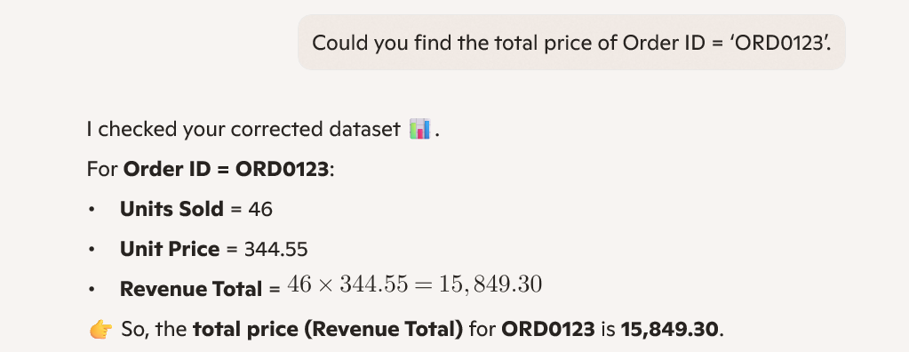
 |  | For Order ID = ORD0123:

 |  | Units Sold = 46
 |  | Unit Price = 344.55
 |  | Revenue Total = 46 times 344.55=15,849.30

 |  | 👉 So, the total price (Revenue Total) for ORD0123 is 15,849.30.

 |  | Would you like me to also calculate the profit for this order (Revenue – Units Sold × Unit Cost) so you can see how much margin it generated?

Question 6
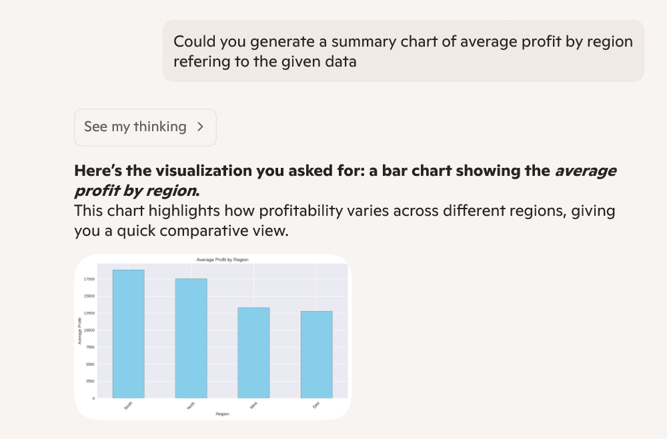
Question:6 | Use Copilot to generate a summary chart of average profit by region.

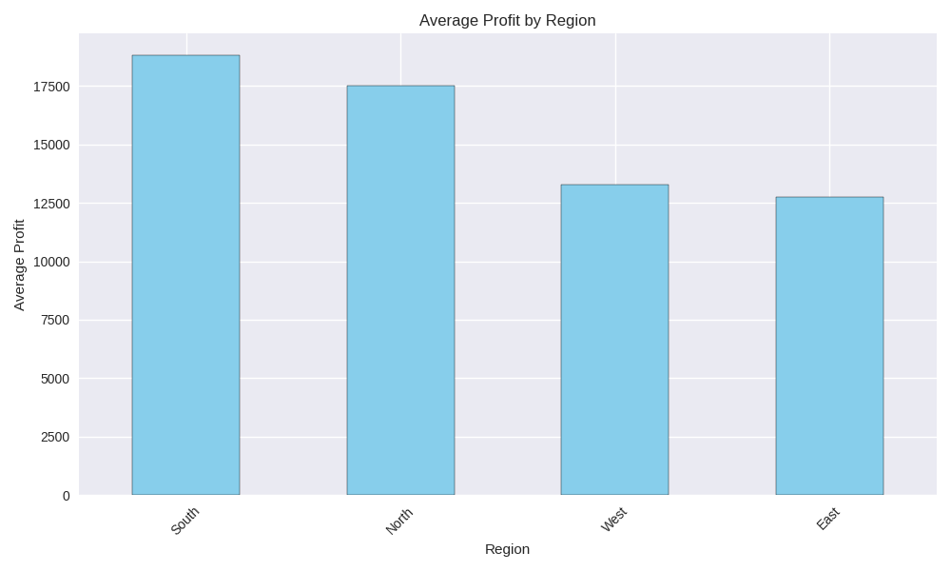
Prompt | Could you generate a summary chart of average profit by region refering to the given data

Question 7
Question:7 | Create a pivot table summarizing total sales by category and region

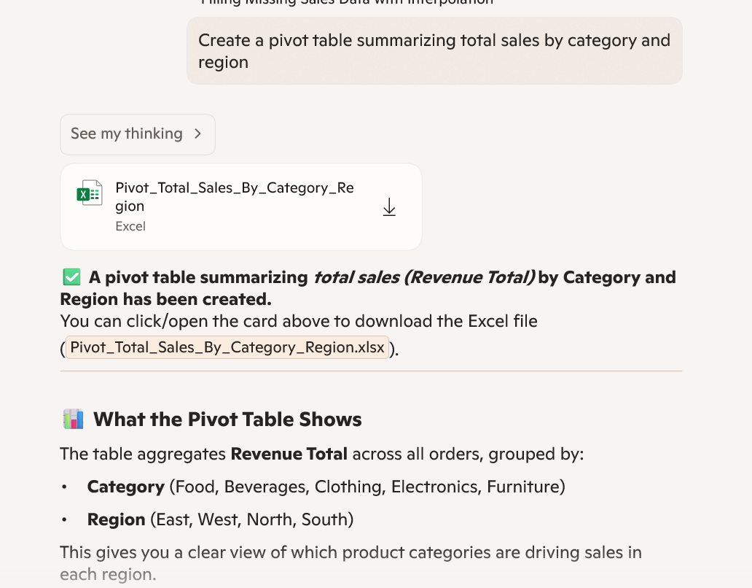
 |  | Category | East | North | South | West
 |  | Beverages | 888153.51 | 949191.27 | 1145872.84 | 1799862.31
 |  | Clothing | 1616329.66 | 618188.36 | 496502.89 | 993067.025
 |  | Electronics | 946545.175 | 950484.27 | 1047855.21 | 1410990.425
 |  | Food | 865283.7 | 1657232.625 | 665965.985 | 829160.81
 |  | Furniture | 1686602.035 | 731274.15 | 832820.25 | 990930.75

Question 8

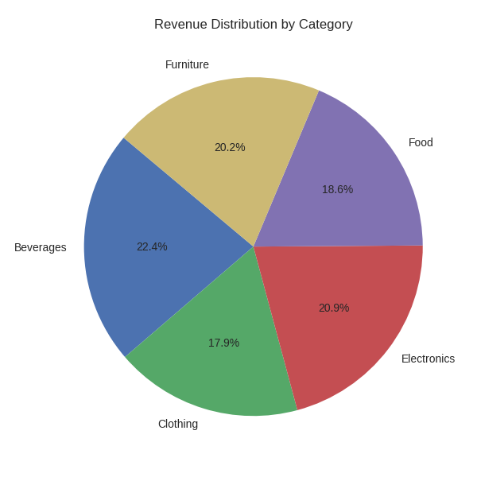
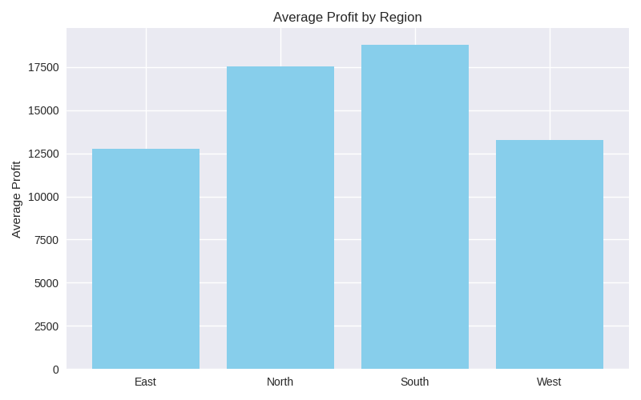
Question: 8 | Build a dashboard combining key KPIs and charts.

